Sheet1
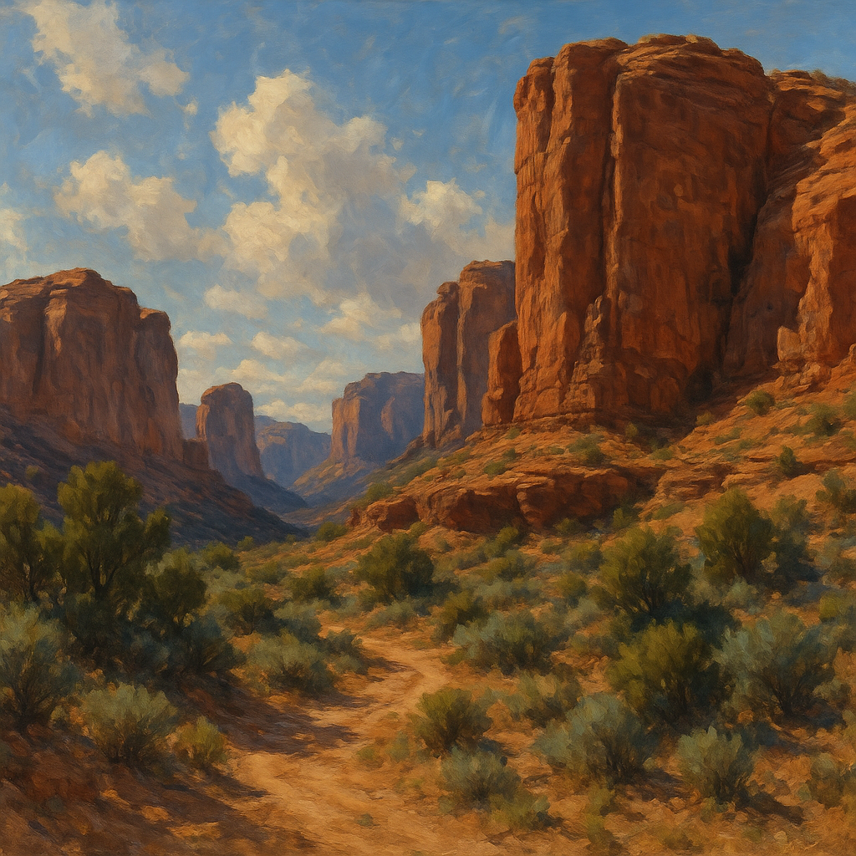

 | Output CSV Table

Material | Process Stage | Energy GJ per ton/L | CO2 kg per ton/L | Notes | Source
Porous silica beads | Sodium silicate (waterglass) production | 11 | 1514 | Manufacture of Na₂SiO₃ from sand & soda ash | oai_citation:0‡patents.justia.com](https://patents.justia.com/patent/20220119267#:~:text=are%20comparable%2C%20with%2010,an%20Australian%20figure%20which%20includes)
Porous silica beads | Bead formation (gelation) | 0 | 0 | Assumed negligible energy input (mixing/reacting)
Porous silica beads | Drying (evaporation) | 4 | 200 | Estimated energy to remove pore water (e.g. oven drying, approx.)
Porous silica beads | Calcination (template burn-off) | 1 | 300 | If organics used for porosity (assumed ~10% mass); CO₂ from fuel + polymer oxidation
Zeolite (synthetic aluminosilicate) | Sodium silicate production | 11 | 1514 | Precursor Na₂SiO₃ (waterglass) energy/CO₂ | oai_citation:2‡patents.justia.com](https://patents.justia.com/patent/20220119267#:~:text=are%20comparable%2C%20with%2010,an%20Australian%20figure%20which%20includes)
Zeolite (synthetic aluminosilicate) | Sodium aluminate production | 5 | 350 | Precursor NaAlO₂ from bauxite (assumed ~10 GJ/t alumina in Bayer process) | oai_citation:3‡en.wikipedia.org](https://en.wikipedia.org/wiki/Bayer_process#:~:text=1,5)
Zeolite (synthetic aluminosilicate) | Hydrothermal synthesis (crystallization) | 1 | 50 | Energy for heating autoclave, stirring, etc. (moderate heat, ~100–200 °C)
Zeolite (synthetic aluminosilicate) | Drying & finishing | 1 | 50 | Drying product (low-temp) and any activation; assumed no organic template (no high-temp calcination)
Zeolite (synthetic aluminosilicate) | Total (approx.) | 18 | 2000 | Sum of stages (raw material production is the largest contributor)
Silica aerogel | Silica precursor production | 11 | 1514 | Base silica source (e.g. sodium silicate) | oai_citation:4‡patents.justia.com](https://patents.justia.com/patent/20220119267#:~:text=are%20comparable%2C%20with%2010,an%20Australian%20figure%20which%20includes)
Silica aerogel | Solvent & reagent production | 8 | 1500 | Embed. energy for chemicals (e.g. NaOH, HCl, ethanol); heavy use of reactants in process
Silica aerogel | Drying process (supercritical CO₂) | 35 | 1300 | Energy for solvent exchange and supercritical drying (high pressure + heating)
Silica aerogel | Total (industrial production) | 54 | 4314 | Approx. total per manufacturer: ~53.9 GJ/t and 4.3 tCO₂/t | oai_citation:5‡researchportal.bath.ac.uk](https://researchportal.bath.ac.uk/files/260154/Birks_Applied-Energy_2011.pdf#:~:text=Aerogels%20opaque%20insulation%20blankets,and%20CO2%20burden%20in%20organic) (excl. recycled CO₂)
BG-11 medium (freshwater) | Total (per 1 L) | 0.003 | 0.001 | High nitrate medium (~1.5 g NaNO₃/L); nutrients contribute minimal embedded energy/CO₂
f/2 medium (marine) | Total (per 1 L) | 0.0003 | 0.0001 | Dilute nutrient medium (~75 mg NaNO₃/L); very low embedded energy/CO₂ per liter
Zarrouk medium (Spirulina) | Total (per 1 L) | 23 | 11 | High NaHCO₃ (~16.8 g/L) for carbon source; soda ash production is energy-intensive | oai_citation:6‡patents.justia.com](https://patents.justia.com/patent/20220119267#:~:text=Two%20categories%20of%20soda,e%2Fkg%20%28EU%29%20respectively)

